2) Seldon
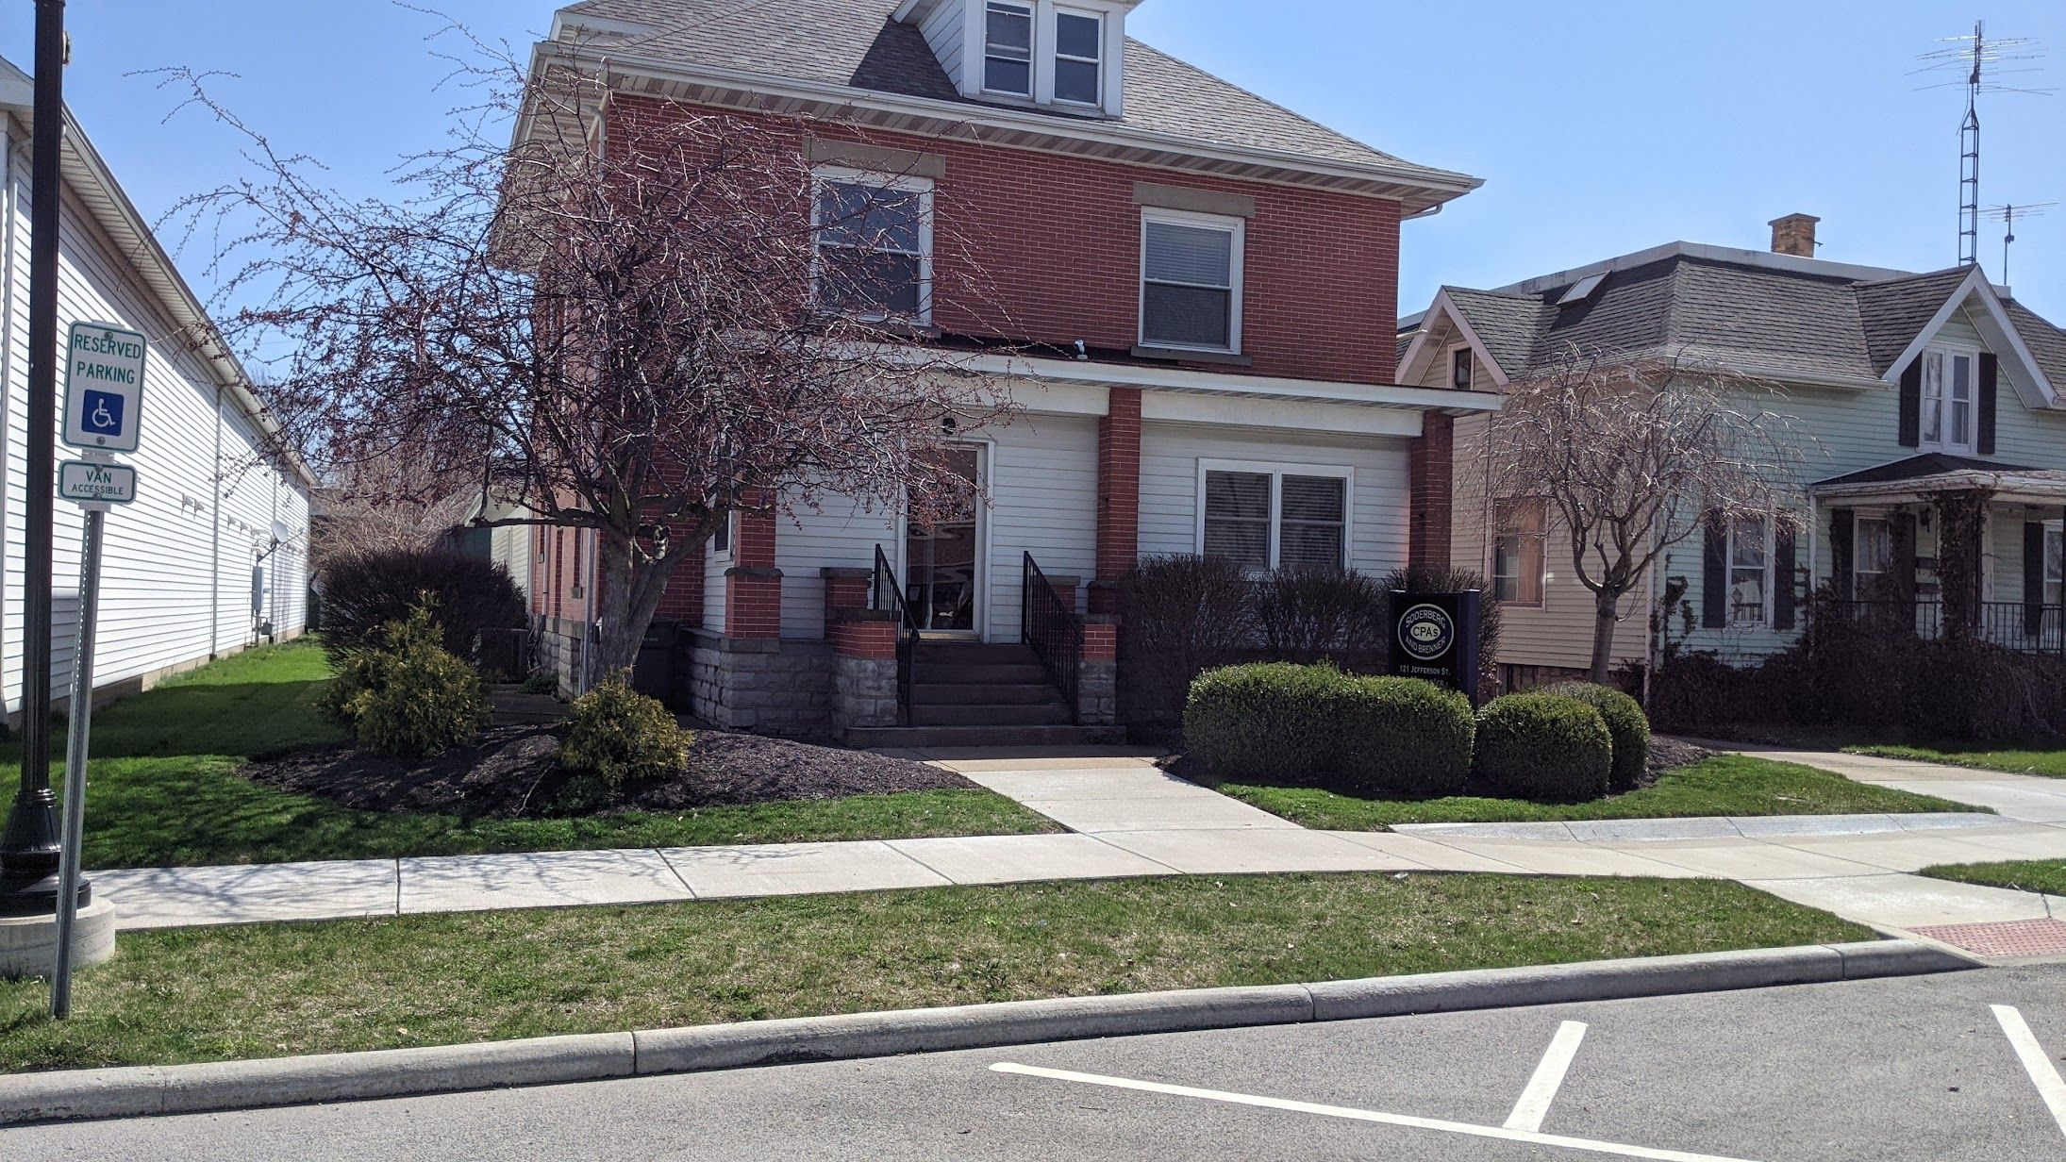
Hari Seldon |  |  | Streeling University |  |  | $30
Date | Day |  | Charge | Height | Other | Pattern | Time | Days betw | Mower | Worker
2025-04-07 | Mon | April | $30 | 2.25" |  | North South | 9 |  | Opie | Morgan
2025-04-14 | Mon | April | $30 | 2" |  | North South | 8 | 7 | Monty | Morgan
2025-04-21 | Mon | April | $30 | 2" |  | North South | 9 | 7 | Monty | Morgan
2025-04-28 | Mon | April | $30 | 2" |  | North South | 10 | 7 | Monty | Morgan
2025-05-06 | Tue | May | $30 | 2.5" |  | North South | 10 | 8 | Monty | Morgan
2025-05-12 | Mon | May | $30 | 2.5" |  | North South | 11 | 6 | Monty | Morgan
2025-05-19 | Mon | May | $30 | 2.5" |  | North South | 11 | 7 | Monty | Morgan
2025-05-24 | Sat | May | $30 | 2.5" |  | North South | 11 | 5 | Monty | Morgan
2025-05-31 | Sat | May | $30 | 2.5" |  | North South | 14 | 7 | Pearl | Morgan
2025-06-09 | Mon | June | $30 | 2.25" |  | North South | 11 | 9 | Pearl | Morgan
2025-06-15 | Sun | June | $30 | 2.25" |  | North South | 11 | 6 | Pearl | Morgan
2025-06-23 | Mon | June | $30 | 2.25" |  | North South | 12 | 8 | Pearl | Morgan
2025-06-29 | Sun | June | $30 | 2.5" |  | North South | 12 | 6 | Kelly | Morgan
2025-07-06 | Sun | July | $30 | 2.5" |  | North South | 12 | 7 | Kelly | Morgan
2025-07-14 | Mon | July | $30 | 2.5" |  | North South | 10 | 8 | Kelly | Morgan
2025-07-21 | Mon | July | $30 | 2.5" |  | North South | 11 | 7 | Kelly | Morgan
2025-07-28 | Mon | July | $30 | 2.5" |  | North South | 7 | 7 | Monty | Morgan
2025-08-04 | Mon | August | $30 | 2.5" |  | North South | 12 | 7 | Kelly | Morgan
2025-08-10 | Sun | August | $30 | 2.5" |  | North South | 12 | 6 | Kelly | Morgan
2025-08-17 | Sun | August | $30 | 2.5" |  | North South | 12 | 7 | Kelly | Morgan
2025-08-25 | Mon | August | $30 | 2.5" |  | North South | 13 | 8 | Kelly | Morgan
2025-09-02 | Tue | September | $30 | 2.5" |  | North South | 12 | 8 | Kelly | Morgan |  | Monty | Opie | Pearl | Kelly
2025-09-10 | Wed | September | $30 | 2.5" |  | North South | 11 | 8 | Kelly | Morgan |  | 8 | 1 | 4 | 14
2025-09-17 | Wed | September | $30 | 2.25" |  | North South | 12 | 7 | Kelly | Morgan
2025-09-25 | Thu | September | $30 | 2.25" |  | North South | 14 | 8 | Kelly | Morgan |  | Morgan | Bill
2025-10-02 | Thu | October | $30 | 2.25" |  | North South | 12 | 7 | Kelly | Morgan |  | 27 | 0
2025-10-09 | Thu | October | $30 | 2.25" |  | North South | 11 | 7 | Kelly | Morgan

 |  |  |  |  |  |  | Total | Total | Hourly | Month | March | April | May | June | July | August | September | October | November | December | Totals
How many |  |  | Charged |  |  |  | Minutes | Hours | Wage | Fees | $0 | $120 | $150 | $120 | $120 | $120 | $120 | $60 | $0 | $0 | $810
27 |  |  | $810 |  |  |  | 300 | 5.00 | $162 | Tax | $0.00 | $8.40 | $10.50 | $8.40 | $8.40 | $8.40 | $8.40 | $4.20 | $0.00 | $0.00 | $56.70
 |  |  |  |  |  |  |  |  |  | Total | $0.00 | $128.40 | $160.50 | $128.40 | $128.40 | $128.40 | $128.40 | $64.20 | $0.00 | $0.00 | $866.70
 |  |  |  |  |  |  |  |  |  | Number | 0 | 4 | 5 | 4 | 4 | 4 | 4 | 2 | 0 | 0 | 27

3) Dornick
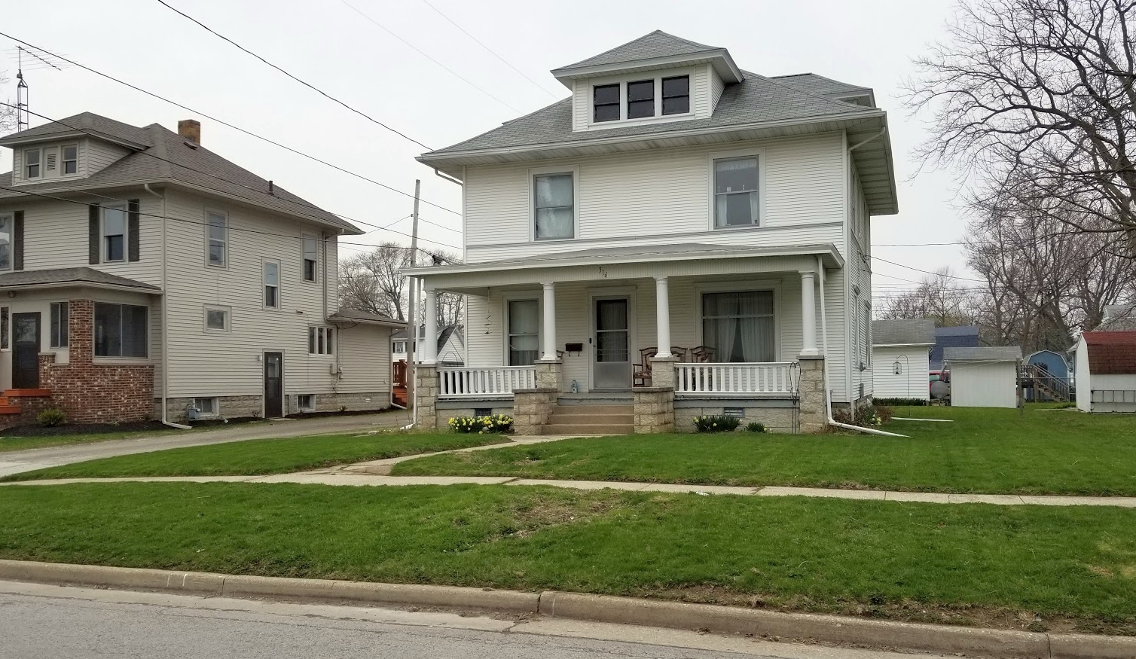
Gaal Dornick |  |  | 316 Washington Street |  |  | $25
Date | Day |  | Charge | Height | Other | Pattern | Time | Days between | Mower | Worker
2025-04-07 | Mon | April | $25 | 2.5" | picked up debris | North South | 21 |  | Opie | Morgan
2025-04-14 | Mon | April | $25 | 2.5" |  | East West | 13 | 7 | Monty | Morgan
2025-04-21 | Mon | April | $25 | 2.5" |  | NW-SE | 22 | 7 | Opie | Morgan
2025-04-28 | Mon | April | $25 | 2.5" |  | East West | 22 | 7 | Pearl | Morgan
2025-05-06 | Tue | May | $25 | 2.5" |  | North South | 22 | 8 | Pearl | Morgan
2025-05-12 | Mon | May | $25 | 2.5" |  | East West | 23 | 6 | Pearl | Morgan
2025-05-17 | Sat | May | $25 | 2.5" |  | North South | 22 | 5 | Pearl | Morgan
2025-05-22 | Thu | May | $25 | 2.5" |  | East West | 21 | 5 | Pearl | Morgan
2025-05-29 | Thu | May | $25 | 2.5" |  | North South | 22 | 7 | Pearl | Morgan
2025-06-03 | Tue | June | $25 | 2.5" |  | East West | 22 | 5 | Monty | Morgan
2025-06-09 | Mon | June | $25 | 2.5" |  | NW-SE | 23 | 6 | Pearl | Morgan
2025-06-16 | Mon | June | $25 | 2.5" |  | East West | 20 | 7 | Pearl | Morgan
2025-06-23 | Mon | June | $25 | 2.5" |  | North South | 21 | 7 | Pearl | Morgan
2025-06-29 | Sun | June | $25 | 2.5" |  | East West | 22 | 6 | Kelly | Morgan
2025-07-07 | Mon | July | $25 | 2.5" |  | East West | 22 | 8 | Kelly | Morgan
2025-07-14 | Mon | July | $25 | 2.5" | sprayed weeds | NE-SW | 22 | 7 | Kelly | Morgan
2025-07-21 | Mon | July | $25 | 2.5" |  | East West | 18 | 7 | Kelly | Morgan
2025-07-28 | Mon | July | $25 | 2.5" |  | North South | 20 | 7 | Kelly | Morgan
2025-08-04 | Mon | August | $25 | 2.5" |  | East West | 22 | 7 | Kelly | Morgan
2025-08-11 | Mon | August | $25 | 2.5" |  | NW-SE | 21 | 7 | Kelly | Morgan
2025-08-18 | Mon | August | $25 | 2,5" |  | East West |  | 7 | Pearl | Morgan
2025-08-25 | Mon | August | $25 | 2.5" |  | North South |  | 7 | Pearl | Bill |  | Monty | Opie | Pearl | Kelly
2025-09-01 | Mon | September | $25 | 2.5" |  | East West |  | 7 | Pearl | Bill |  | 2 | 2 | 17 | 7
2025-09-08 | Mon | September | $25 | 2.5" |  | North South |  | 7 | Pearl | Bill
2025-09-15 | Mon | September | $25 | 2.5" |  | East West |  | 7 | Pearl | Bill |  | Morgan | Bill
2025-09-22 | Mon | September | $25 | 2.5" |  | NW-SE |  | 7 | Pearl | Bill |  | 21 | 7
2025-09-29 | Mon | September | $25 | 2.5" |  | NE-SW |  | 7 | Pearl | Bill
2025-10-06 | Mon | October | $25 | 2.5" |  | East West |  | 7 | Pearl | Bill

 |  |  |  |  |  |  | Total | Total | Hourly | Month | March | April | May | June | July | August | September | October | November | December | Totals
How many |  |  | Charged |  |  |  | Minutes | Hours | Wage | Fees | $0 | $100 | $125 | $125 | $100 | $100 | $125 | $25 | $0 | $0 | $700
28 |  |  | $700 |  |  |  | 421 | 7.02 | $100 | Tax | $0.00 | $7.00 | $8.75 | $8.75 | $7.00 | $7.00 | $8.75 | $1.75 | $0.00 | $0.00 | $49.00
 |  |  |  |  |  |  |  |  |  | Total | $0.00 | $107.00 | $133.75 | $133.75 | $107.00 | $107.00 | $133.75 | $26.75 | $0.00 | $0.00 | $749.00
 |  |  |  |  |  |  |  |  |  | Number | 0 | 4 | 5 | 5 | 4 | 4 | 5 | 1 | 0 | 0 | 28

4) Riose
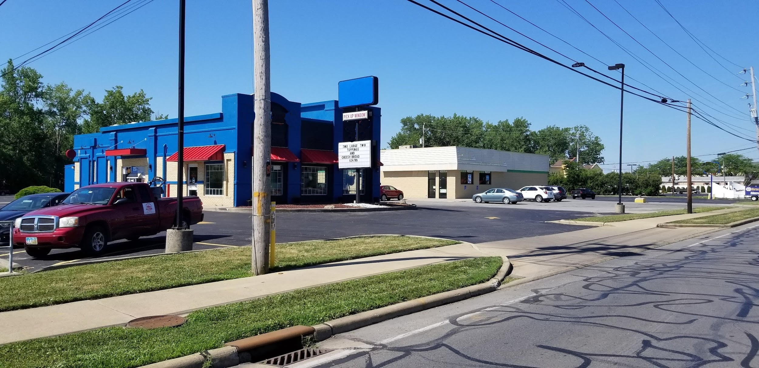
Bel Riose |  |  | 1505 Madison Street |  |  | $30
Date | Day | Month | Charge | Height | Other | Pattern | Time | Days between | Mower | Worker
2025-04-07 | Mon | April | $30 | 2" |  | East West | 12 |  | Monty | Morgan
2025-04-21 | Mon | April | $30 | 2" |  | East West | 14 | 14 | Monty | Morgan
2025-05-05 | Mon | May | $30 | 2.5" |  | East West | 16 | 14 | Monty | Morgan
2025-05-15 | Thu | May | $30 | 2.5" |  | East West | 19 | 10 | Monty | Morgan
2025-05-25 | Sun | May | $30 | 2.5" |  | East West | 15 | 10 | Monty | Morgan
2025-06-02 | Mon | June | $30 | 2.25" | sprayed weeds | East West | 19 | 8 | Pearl | Morgan
2025-06-16 | Mon | June | $30 | 2.25" |  | East West | 17 | 14 | Pearl | Morgan
2025-06-29 | Sun | June | $30 | 2.5" | sprayed weeds | East West | 23 | 13 | Kelly | Morgan
2025-07-14 | Mon | July | $30 | 2.5" |  | East West | 21 | 15 | Kelly | Morgan
2025-07-28 | Mon | July | $30 | 2.5" |  | East West | 18 | 14 | Kelly | Morgan
2025-08-10 | Sun | August | $30 | 2.5" |  | East West | 23 | 13 | Kelly | Morgan
2025-08-25 | Mon | August | $30 | 2.5" |  | East West | 20 | 15 | Kelly | Morgan
2025-09-10 | Wed | September | $30 | 2.5" |  | East West | 19 | 16 | Kelly | Morgan
2025-09-25 | Thu | September | $30 | 2.5" |  | East West | 18 | 15 | Kelly | Morgan
2025-10-09 | Thu | October | $30 | 2.5" |  | East West | 17 | 14 | Kelly | Morgan

 |  |  |  |  |  |  |  |  |  |  |  | Monty | Opie | Pearl | Kelly
 |  |  |  |  |  |  |  |  |  |  |  | 5 | 0 | 2 | 8

 |  |  |  |  |  |  |  |  |  |  |  | Morgan | Bill
 |  |  |  |  |  |  |  |  |  |  |  | 15 | 0

 |  |  |  |  |  |  | Total | Total | Hourly | Month | March | April | May | June | July | August | September | October | November | December | Totals
How many |  |  | Charged |  |  |  | Minutes | Hours | Wage | Fees | $0 | $60 | $90 | $90 | $60 | $60 | $60 | $30 | $0 | $0 | $450
15 |  |  | $450 |  |  |  | 271 | 4.52 | $100 | Tax | $0.00 | $4.20 | $6.30 | $6.30 | $4.20 | $4.20 | $4.20 | $2.10 | $0.00 | $0.00 | $31.50
 |  |  |  |  |  |  |  |  |  | Total | $0.00 | $64.20 | $96.30 | $96.30 | $64.20 | $64.20 | $64.20 | $32.10 | $0.00 | $0.00 | $481.50
 |  |  |  |  |  |  |  |  |  | Number | 0 | 2 | 3 | 3 | 2 | 2 | 2 | 1 | 0 | 0 | 15

5) Darell
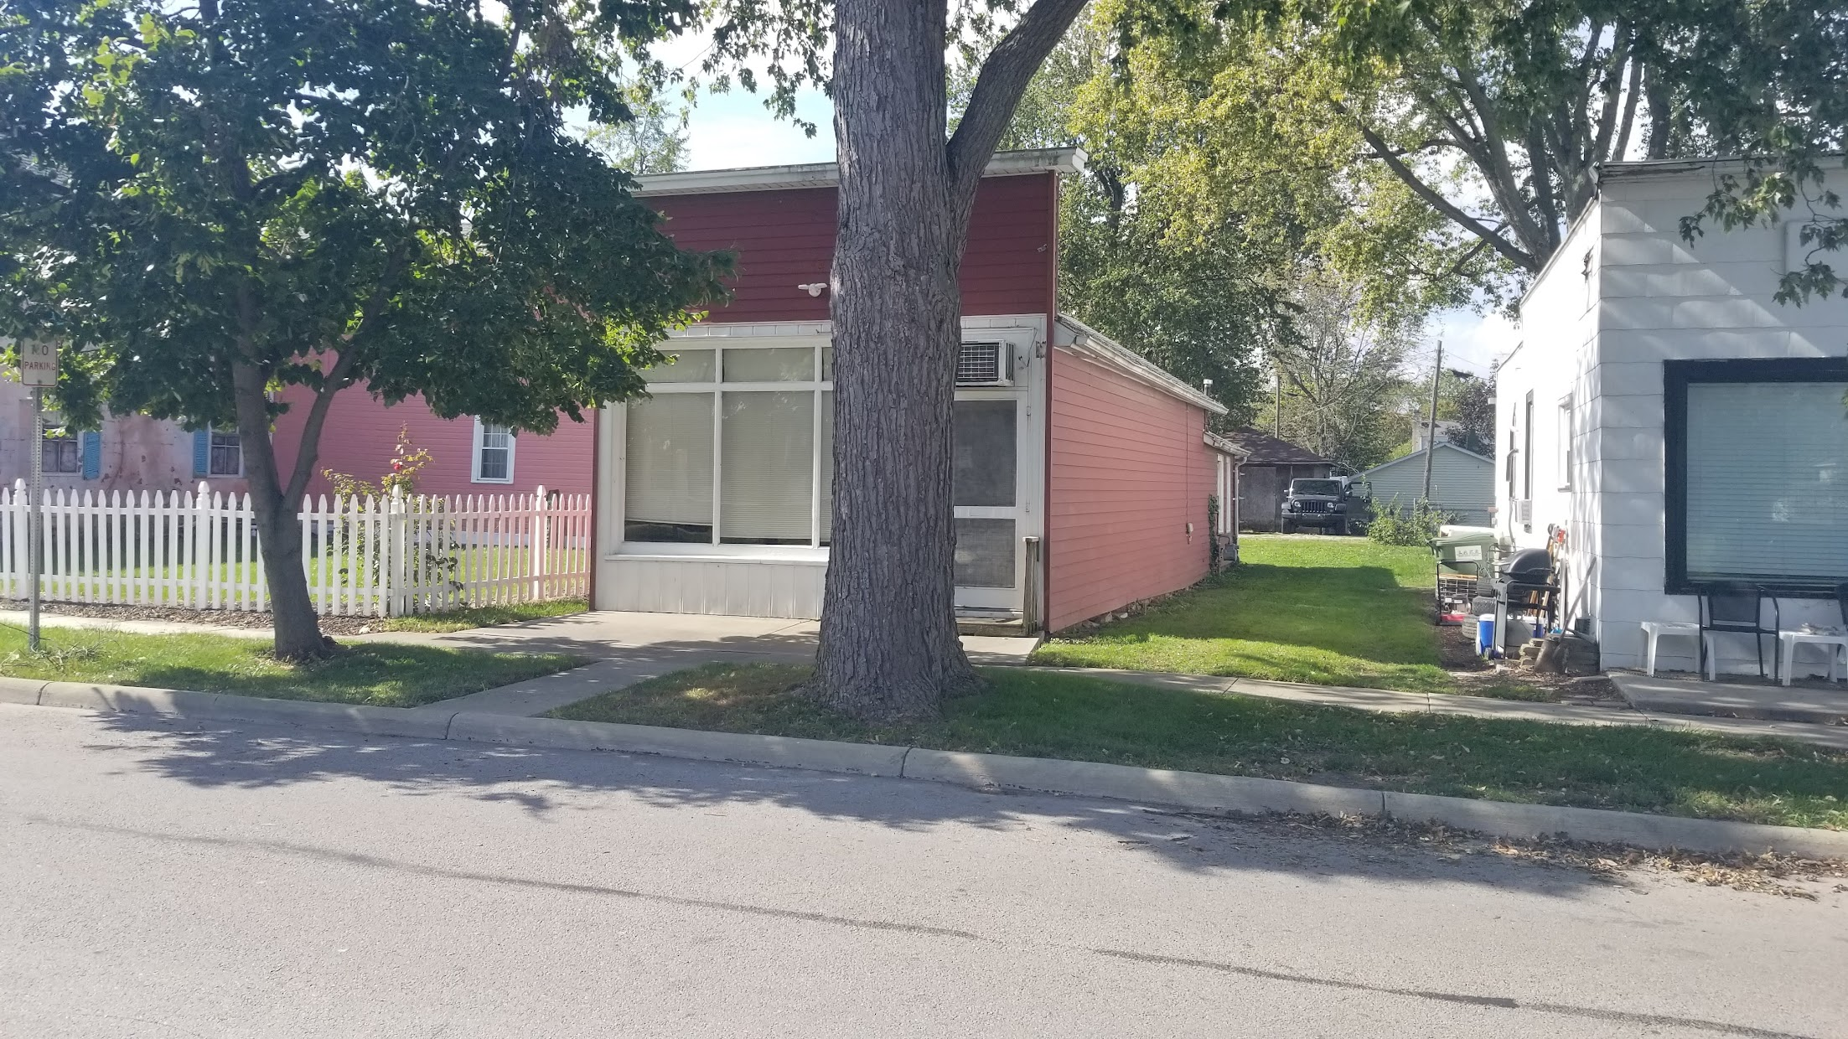
Bayta Darell |  |  | 253 Robins Avenue |  |  | $25
Date | Day | Month | Charge | Height | Other | Pattern | Time | Days betw | Mower | Worker
2025-04-08 | Tue | April | $25 | 2.5" |  | East West | 12 |  | Monty | Morgan
2025-04-15 | Tue | April | $25 | 2.5" |  | North South | 9 | 7 | Monty | Morgan
2025-04-23 | Wed | April | $25 | 2.5" |  | East West | 9 | 8 | Monty | Morgan
2025-04-29 | Tue | April | $25 | 2.25" |  | North South | 13 | 6 | Pearl | Morgan
2025-05-06 | Tue | May | $25 | 2.5" |  | East West | 14 | 7 | Pearl | Morgan
2025-05-12 | Mon | May | $25 | 2.5" |  | North South | 15 | 6 | Pearl | Morgan
2025-05-19 | Mon | May | $25 | 2.5" |  | East West | 15 | 7 | Pearl | Morgan
2025-05-23 | Fri | May | $25 | 2.5" |  | East West | 16 | 4 | Monty | Morgan
2025-05-29 | Thu | May | $25 | 2.5" |  | East West | 16 | 6 | Pearl | Morgan
2025-06-04 | Wed | June | $25 | 2.5" |  | North South | 14 | 6 | Pearl | Morgan
2025-06-12 | Thu | June | $25 | 2.5" |  | East West | 17 | 8 | Pearl | Morgan
2025-06-19 | Thu | June | $25 | 2.5" |  | East West | 14 | 7 | Pearl | Morgan
2025-06-26 | Thu | June | $25 | 2.5" |  | North South | 19 | 7 | Monty | Morgan
2025-07-03 | Thu | July | $25 | 2.5" |  | East West | 16 | 7 | Opie | Morgan
2025-07-10 | Thu | July | $25 | 2.5" |  | North South | 18 | 7 | Opie | Morgan
2025-07-17 | Thu | July | $25 | 2.5" |  | East West | 16 | 7 | Opie | Morgan
2025-07-23 | Wed | July | $25 | 2.5" |  | North South | 13 | 6 | Kelly | Morgan
2025-07-30 | Wed | July | $25 | 2.5" |  | East West | 16 | 7 | Opie | Morgan
2025-08-07 | Thu | August | $25 | 2.5" |  | North South | 18 | 8 | Pearl | Morgan
2025-08-13 | Wed | August | $25 | 2.5" |  | East West | 16 | 6 | Kelly | Morgan
2025-08-20 | Wed | August | $25 | 2.5" |  | North South | 18 | 7 | Kelly | Morgan
2025-08-29 | Fri | August | $25 | 2.5" |  | East West | 16 | 9 | Kelly | Morgan |  | Monty | Opie | Pearl | Kelly
2025-09-03 | Wed | September | $25 | 2.5" |  | North South | 14 | 5 | Kelly | Morgan |  | 5 | 4 | 9 | 10
2025-09-10 | Wed | September | $25 | 2.5" |  | East West | 14 | 7 | Kelly | Morgan
2025-09-17 | Wed | September | $25 | 2.5" |  | North South | 14 | 7 | Kelly | Morgan |  | Morgan | Bill
2025-09-25 | Thu | September | $25 | 2.5" |  | East West | 15 | 8 | Kelly | Morgan |  | 28 | 0
2025-10-02 | Thu | October | $25 | 2.25" |  | North South | 15 | 7 | Kelly | Morgan
2025-10-09 | Thu | October | $25 | 2.25" |  | East West | 13 | 7 | Kelly | Morgan

 |  |  |  |  |  |  | Total | Total | Hourly | Month | March | April | May | June | July | August | September | October | November | December | Totals
How many |  |  | Charged |  |  |  | Minutes | Hours | Wage | Fees | $0 | $100 | $125 | $100 | $125 | $100 | $100 | $50 | $0 | $0 | $700
28 |  |  | $700 |  |  |  | 415 | 6.92 | $101 | Tax | $0.00 | $7.00 | $8.75 | $7.00 | $8.75 | $7.00 | $7.00 | $3.50 | $0.00 | $0.00 | $49.00
 |  |  |  |  |  |  |  |  |  | Total | $0.00 | $107.00 | $133.75 | $107.00 | $133.75 | $107.00 | $107.00 | $53.50 | $0.00 | $0.00 | $749.00
 |  |  |  |  |  |  |  |  |  | Number | 0 | 4 | 5 | 4 | 5 | 4 | 4 | 2 | 0 | 0 | 28

6) Palver
Preem Palver |  |  | 403 Coop Road 1, Trantor |  |  | $35
Date | Day | Month | Charge | Height | Other | Pattern | Time | Days betw | Mower | Worker
2025-04-01 | Tue | April | $35 | 2.5" |  | North South | 29 |  | Opie | Morgan
2025-04-08 | Tue | April | $35 | 2.5" |  | East West | 31 | 7 | Monty | Morgan
2025-04-15 | Tue | April | $35 | 2.5" |  | NW-SE | 29 | 7 | Opie | Morgan
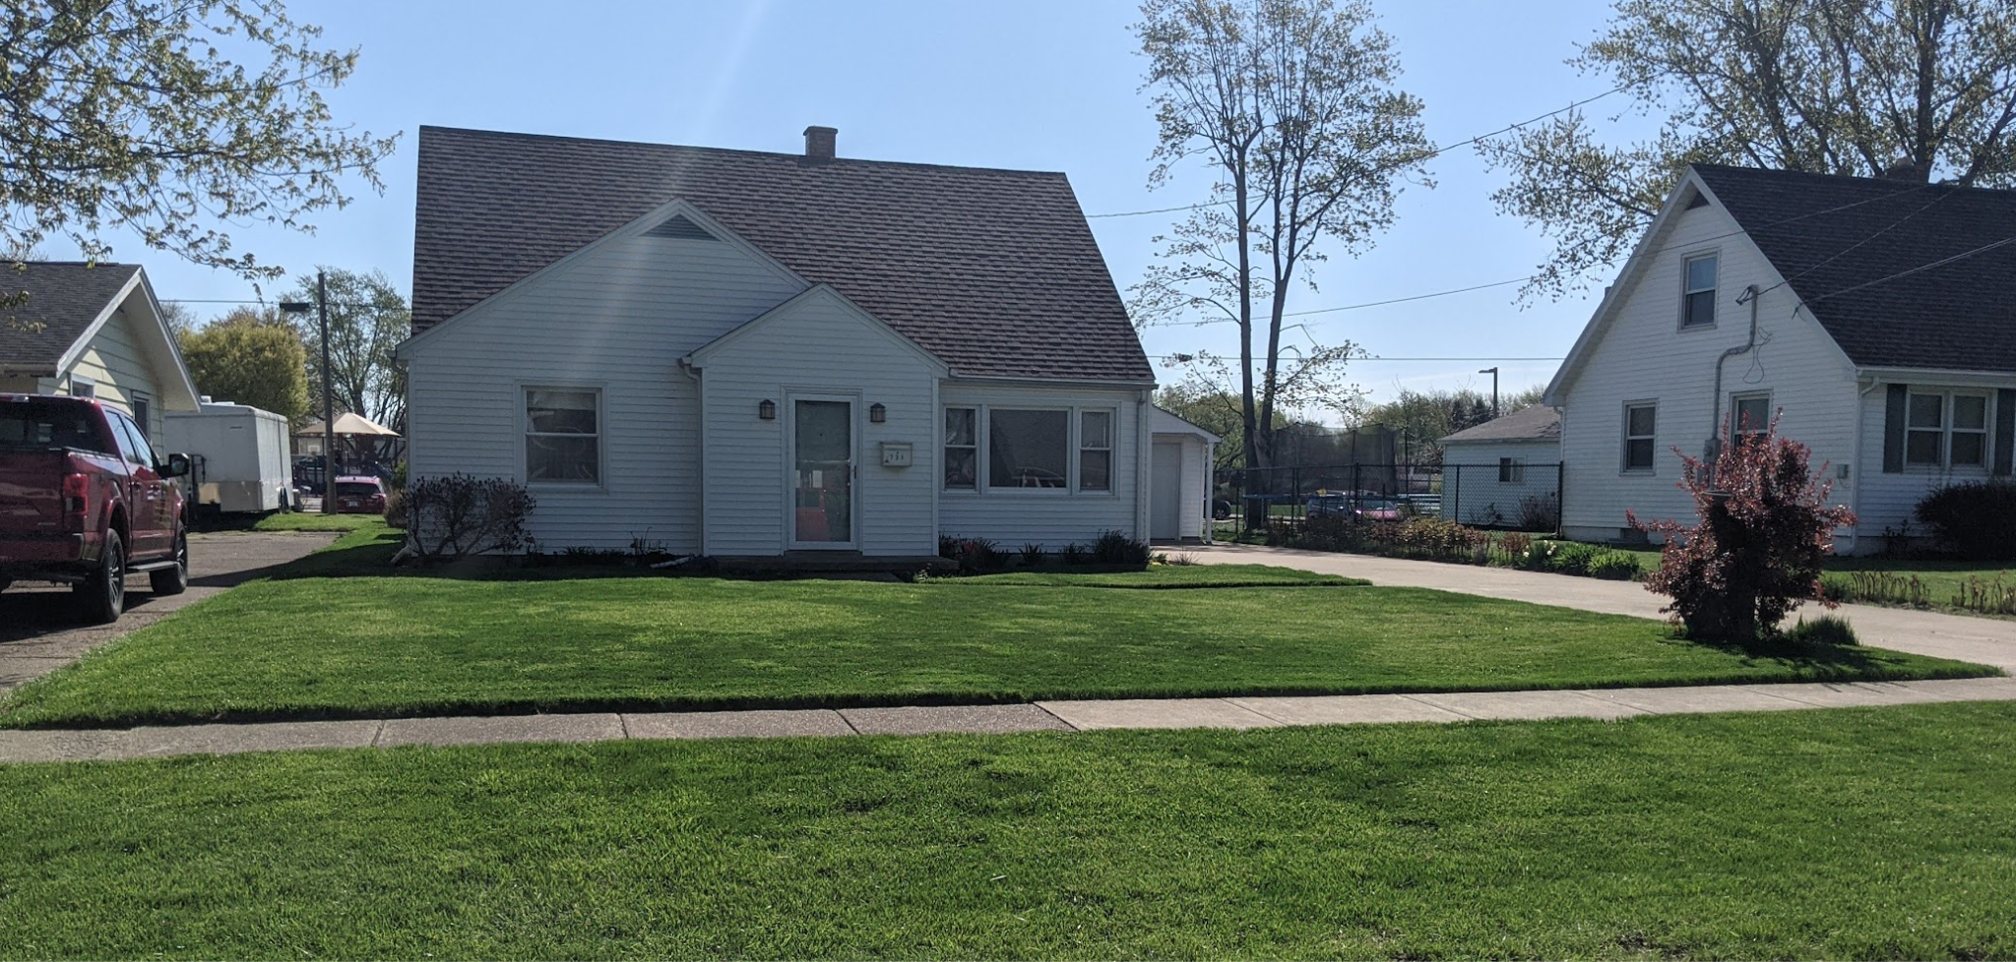
2025-04-22 | Tue | April | $35 | 2.5" |  | North South | 40 | 7 | Opie | Morgan
2025-04-27 | Sun | April | $35 | 2.5" |  | East West | 39 | 5 | Pearl | Morgan
2025-05-05 | Mon | May | $35 | 3" |  | North South | 33 | 8 | Pearl | Morgan
2025-05-10 | Sat | May | $35 | 3" |  | NE-SW | 36 | 5 | Pearl | Morgan
2025-05-15 | Thu | May | $35 | 3" |  | North South | 36 | 5 | Pearl | Morgan
2025-05-24 | Sat | May | $35 | 3" |  | East West | 41 | 9 | Pearl | Morgan
2025-05-30 | Fri | May | $35 | 2.5" |  | NW-SE | 39 | 6 | Monty | Morgan
2025-06-04 | Wed | June | $35 | 2.5" |  | North South | 33 | 5 | Pearl | Morgan
2025-06-09 | Mon | June | $35 | 3" |  | East West | 33 | 5 | Monty | Morgan
2025-06-16 | Mon | June | $35 | 3" |  | NE-SW | 33 | 7 | Monty | Morgan
2025-06-23 | Mon | June | $35 | 2.75" |  | North South | 34 | 7 | Pearl | Morgan
2025-06-29 | Sun | June | $35 | 2.5" |  | East West | 30 | 6 | Monty | Morgan
2025-07-07 | Mon | July | $35 | 3" |  | NE-SW | 31 | 8 | Kelly | Morgan
2025-07-14 | Mon | July | $35 | 3" |  | North South | 33 | 7 | Kelly | Morgan
2025-07-21 | Mon | July | $35 | 3" |  | East West | 32 | 7 | Pearl | Morgan
2025-07-28 | Mon | July | $35 | 3" |  | NW-SE | 33 | 7 | Opie | Morgan
2025-08-04 | Mon | August | $35 | 3" |  | North South | 35 | 7 | Pearl | Morgan
2025-08-10 | Sun | August | $35 | 3" |  | East West | 33 | 6 | Kelly | Morgan
2025-08-18 | Mon | August | $35 | 3" |  | North South | 34 | 8 | Pearl | Bill |  | Monty | Opie | Pearl | Kelly
 |  |  |  |  |  |  |  |  |  |  |  | 5 | 4 | 10 | 3

 |  |  |  |  |  |  |  |  |  |  |  | Morgan | Bill
 |  |  |  |  |  |  |  |  |  |  |  | 21 | 1

 |  |  |  |  |  |  | Total | Total | Hourly | Month | March | April | May | June | July | August | September | October | November | December | Totals
How many |  |  | Charged |  |  |  | Minutes | Hours | Wage | Fees | $0 | $175 | $175 | $175 | $140 | $105 | $0 | $0 | $0 | $0 | $770
22 |  |  | $770 |  |  |  | 747 | 12.45 | $62 | Tax | $0.00 | $12.25 | $12.25 | $12.25 | $9.80 | $7.35 | $0.00 | $0.00 | $0.00 | $0.00 | $53.90
 |  |  |  |  |  |  |  |  |  | Total | $0.00 | $187.25 | $187.25 | $187.25 | $149.80 | $112.35 | $0.00 | $0.00 | $0.00 | $0.00 | $823.90
 |  |  |  |  |  |  |  |  |  | Number | 0 | 5 | 5 | 5 | 4 | 3 | 0 | 0 | 0 | 0 | 22

7) Hardin
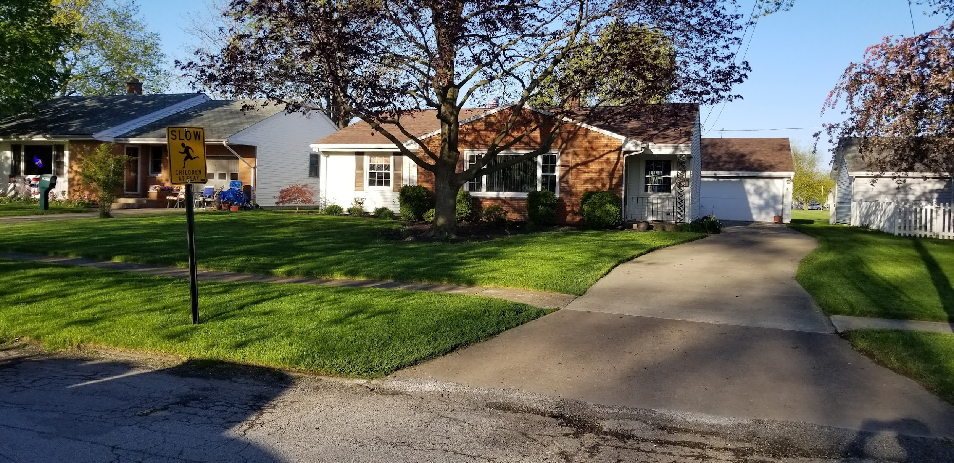
Salvor Hardin |  |  | 712 Mars Avenue |  |  | $35
Date | Day | Month | Charge | Height | Other | Pattern | Time | Days betw | Mower | Worker
2025-04-12 | Sat | April | $35 | 2.5" | bagged leaves/debris | North South | 32 |  | Monty | Morgan
2025-04-21 | Mon | April | $35 | 2.5" |  | East West | 31 | 9 | Opie | Morgan
2025-04-27 | Sun | April | $35 | 2.5" |  | North South | 31 | 6 | Pearl | Morgan
2025-05-05 | Mon | May | $35 | 3" |  | North South | 27 | 8 | Pearl | Morgan
2025-05-10 | Sat | May | $35 | 2.5" |  | East West | 27 | 5 | Pearl | Morgan
2025-05-15 | Thu | May | $35 | 2.5" |  | North South | 30 | 5 | Pearl | Morgan
2025-05-24 | Sat | May | $35 | 2.5" |  | East West | 29 | 9 | Pearl | Morgan
2025-05-31 | Sat | May | $35 | 2.5" |  | NE-SW | 32 | 7 | Pearl | Morgan
2025-06-09 | Mon | June | $35 | 2.5" |  | North South | 28 | 9 | Pearl | Morgan
2025-06-16 | Mon | June | $35 | 2.5" |  | East West | 33 | 7 | Pearl | Morgan
2025-06-23 | Mon | June | $35 | 2.5" |  | NW-SE | 30 | 7 | Pearl | Morgan
2025-06-29 | Sun | June | $35 | 2.5" |  | North South | 28 | 6 | Kelly | Morgan
2025-07-07 | Mon | July | $35 | 2.5" |  | North South | 30 | 8 | Kelly | Morgan
2025-07-21 | Mon | July | $35 | 2.5" |  | East West | 32 | 14 | Kelly | Morgan
2025-07-28 | Mon | July | $35 | 2.5" |  | NE-SW | 31 | 7 | Kelly | Morgan
2025-08-04 | Mon | August | $35 | 2.5" |  | North South | 26 | 7 | Kelly | Morgan
2025-08-11 | Mon | August | $35 | 2.5" |  | East West | 32 | 7 | Kelly | Morgan
2025-08-18 | Mon | August | $35 | 2.5" |  | North South | 31 | 7 | Kelly | Morgan
2025-08-25 | Mon | August | $35 | 2.5" |  | NE-SW | 29 | 7 | Pearl | Bill
2025-09-01 | Mon | September | $35 | 2.5" |  | East West | 34 | 7 | Pearl | Bill
2025-09-08 | Mon | September | $35 | 2.5" |  | North South | 36 | 7 | Pearl | Bill
2025-09-15 | Mon | September | $35 | 2.5" |  | East West | 26 | 7 | Pearl | Bill |  | Monty | Opie | Pearl | Kelly
2025-09-29 | Mon | September | $35 | 2.5" | leaves | NE-SW | 36 | 14 | Pearl | Bill |  | 1 | 1 | 15 | 7
2025-10-06 | Mon | October | $35 | 2.5" | leaves | North South | 37 | 7 | Pearl | Bill
 |  |  |  |  |  |  |  |  |  |  |  | Morgan | Bill
 |  |  |  |  |  |  |  |  |  |  |  | 18 | 6

 |  |  |  |  |  |  | Total | Total | Hourly | Month | March | April | May | June | July | August | September | October | November | December | Totals
How many |  |  | Charged |  |  |  | Minutes | Hours | Wage | Fees | $0 | $105 | $175 | $140 | $105 | $140 | $140 | $35 | $0 | $0 | $840
24 |  |  | $840 |  |  |  | 738 | 12.30 | $68 | Tax | $0.00 | $7.35 | $12.25 | $9.80 | $7.35 | $9.80 | $9.80 | $2.45 | $0.00 | $0.00 | $58.80
 |  |  |  |  |  |  |  |  |  | Total | $0.00 | $112.35 | $187.25 | $149.80 | $112.35 | $149.80 | $149.80 | $37.45 | $0.00 | $0.00 | $898.80
 |  |  |  |  |  |  |  |  |  | Number | 0 | 3 | 5 | 4 | 3 | 4 | 4 | 1 | 0 | 0 | 24

9) Pritcher
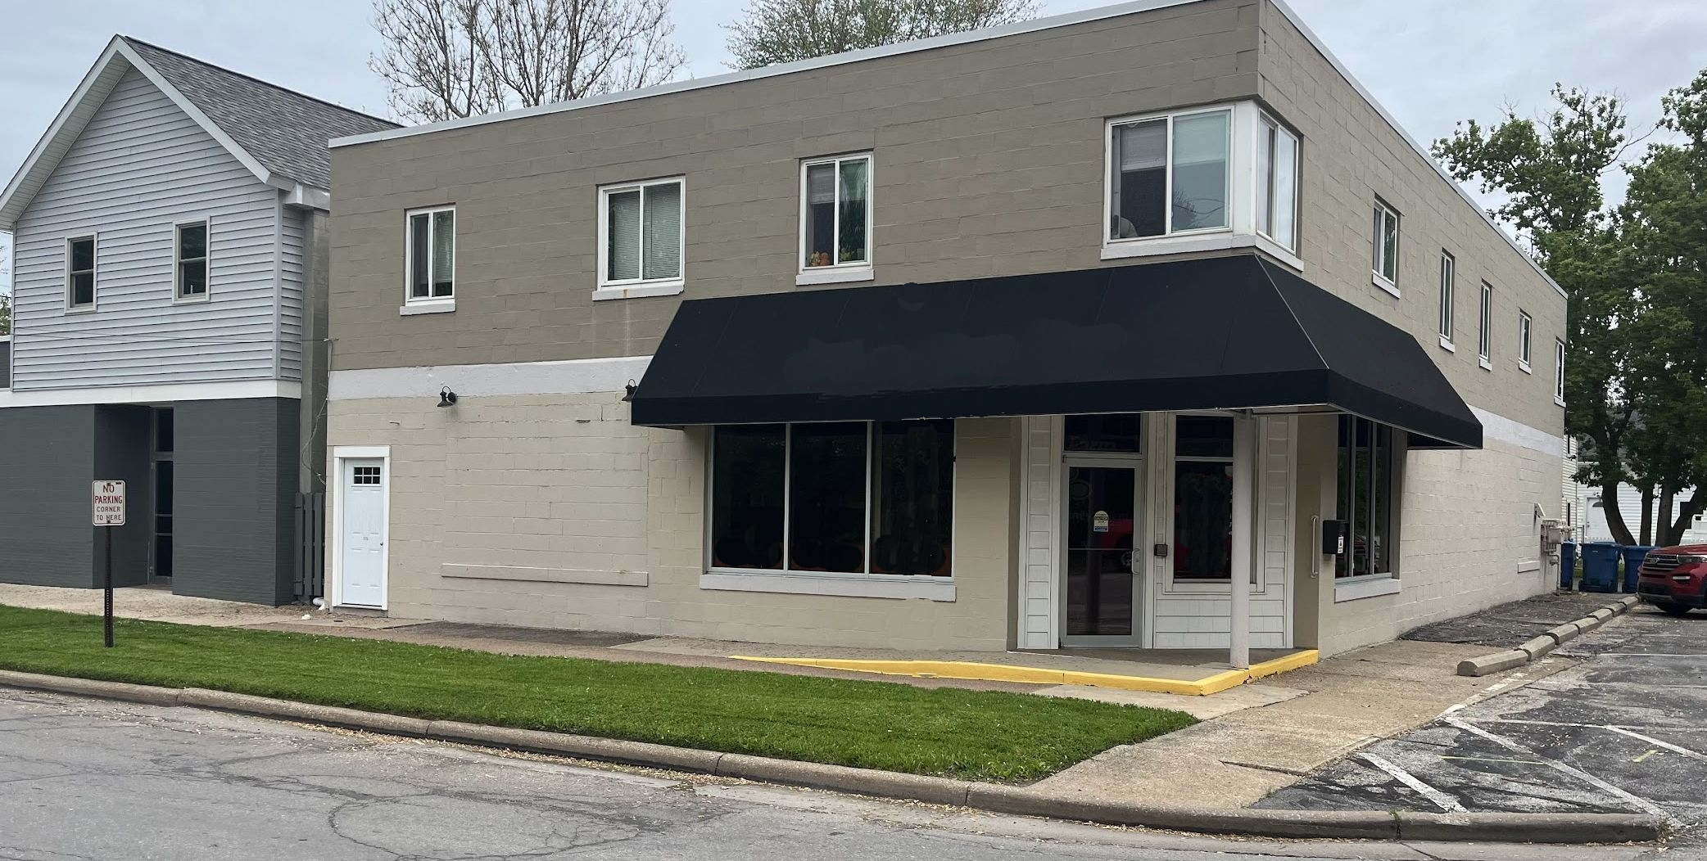
Han Pritcher |  |  | 354 Mallow Drive |  |  | $25
Date | Day | Month | Charge | Height | Other | Pattern | Time | Days betw | Mower | Worker
2025-04-01 | Tue | April | $25 | 2.5" |  | North South | 8 |  | Opie | Morgan
2025-04-12 | Sat | April | $25 | 2" |  | North South | 7 | 11 | Monty | Morgan
2025-04-21 | Mon | April | $25 | 2" |  | North South | 7 | 9 | Monty | Morgan
2025-04-28 | Mon | April | $25 | 2" |  | North South | 7 | 7 | Monty | Morgan
2025-05-06 | Tue | May | $25 | 2.5" |  | North South | 6 | 8 | Pearl | Morgan
2025-05-12 | Mon | May | $25 | 2.5" |  | North South | 8 | 6 | Pearl | Morgan
2025-05-19 | Mon | May | $25 | 2.5" |  | North South | 7 | 7 | Pearl | Morgan
2025-05-25 | Sun | May | $25 | 2.5" |  | North South | 8 | 6 | Pearl | Morgan
2025-05-31 | Sat | May | $25 | 2.5" |  | North South | 10 | 6 | Pearl | Morgan
2025-06-09 | Mon | June | $25 | 2.5" |  | North South | 8 | 9 | Pearl | Morgan
2025-06-15 | Sun | June | $25 | 2.25" | cleaned lot area | North South | 8 | 6 | Pearl | Morgan
2025-06-23 | Mon | June | $25 | 2.5" |  | North South | 6 | 8 | Pearl | Morgan
2025-06-29 | Sun | June | $25 | 2.5" |  | North South | 5 | 6 | Kelly | Morgan
2025-07-06 | Sun | July | $25 | 2.5" |  | North South | 5 | 7 | Kelly | Morgan
2025-07-14 | Mon | July | $25 | 2.5" | sprayed weeds | North South | 10 | 8 | Kelly | Morgan
2025-07-21 | Mon | July | $25 | 2.5" |  | North South | 6 | 7 | Kelly | Morgan
2025-07-28 | Mon | July | $25 | 2.5" |  | North South | 8 | 7 | Kelly | Morgan
2025-08-04 | Mon | August | $25 | 2.5" |  | North South | 8 | 7 | Kelly | Morgan
2025-08-10 | Sun | August | $25 | 2.5" |  | North South | 6 | 6 | Kelly | Morgan
2025-08-17 | Sun | August | $25 | 2.5" |  | North South | 11 | 7 | Kelly | Morgan
2025-08-25 | Mon | August | $25 | 2.5" |  | North South | 11 | 8 | Kelly | Morgan
2025-09-02 | Tue | September | $25 | 2.5" |  | North South | 8 | 8 | Kelly | Morgan |  | Monty | Opie | Pearl | Kelly
2025-09-10 | Wed | September | $25 | 2.5" |  | North South | 6 | 8 | Kelly | Morgan |  | 3 | 1 | 8 | 15
2025-09-17 | Wed | September | $25 | 2.5" |  | North South | 6 | 7 | Kelly | Morgan
2025-09-25 | Thu | September | $25 | 2.25" |  | North South | 6 | 8 | Kelly | Morgan |  | Morgan | Bill
2025-10-02 | Thu | October | $25 | 2.25" |  | North South | 8 | 7 | Kelly | Morgan |  | 27 | 0
2025-10-09 | Thu | October | $25 | 2.25" |  | North South | 5 | 7 | Kelly | Morgan

 |  |  |  |  |  |  | Total | Total | Hourly | Month | March | April | May | June | July | August | September | October | November | December | Totals
How many |  |  | Charged |  |  |  | Minutes | Hours | Wage | Fees | $0 | $100 | $125 | $100 | $100 | $100 | $100 | $50 | $0 | $0 | $675
27 |  |  | $675 |  |  |  | 199 | 3.32 | $204 | Tax | $0.00 | $7.00 | $8.75 | $7.00 | $7.00 | $7.00 | $7.00 | $3.50 | $0.00 | $0.00 | $47.25
 |  |  |  |  |  |  |  |  |  | Total | $0.00 | $107.00 | $133.75 | $107.00 | $107.00 | $107.00 | $107.00 | $53.50 | $0.00 | $0.00 | $722.25
 |  |  |  |  |  |  |  |  |  | Number | 0 | 4 | 5 | 4 | 4 | 4 | 4 | 2 | 0 | 0 | 27

10 Mule
The Mule |  |  | 1000 Royal Road, Kalgan |  |  | $50
Date | Day | Month | Charge | Height | Other | Pattern | Time | Days betw | Mower | Worker
2025-04-24 | Thu | April | $50 | 3" |  | North South | 29 |  | Monty | Morgan
2025-05-01 | Thu | May | $50 | 3" |  | East West | 26 | 7 | Monty | Morgan
2025-05-09 | Fri | May | $50 | 3" |  | East West | 25 | 8 | Pearl | Morgan
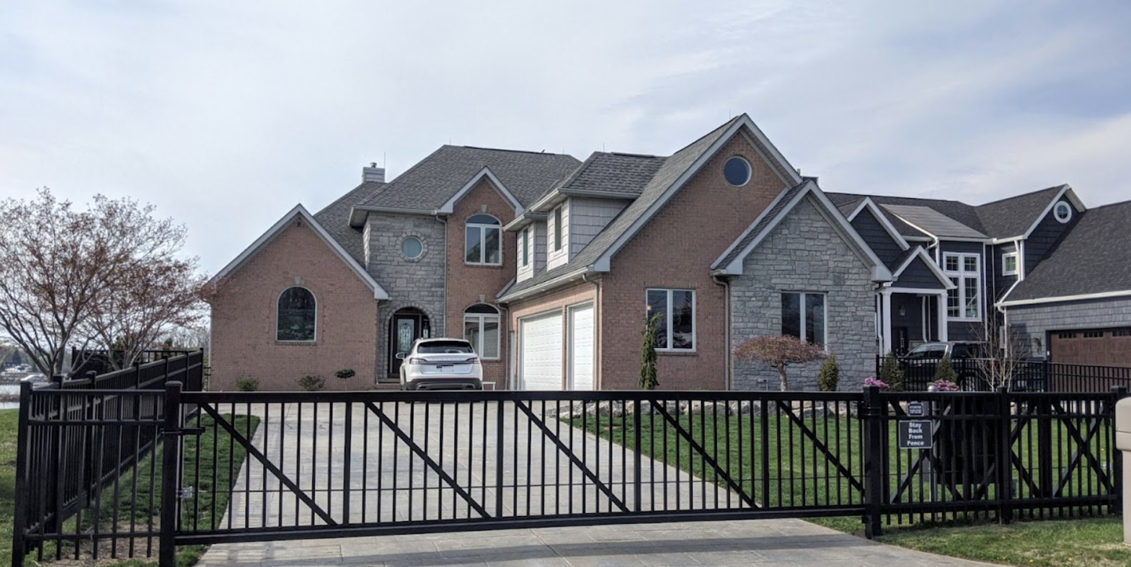
2025-05-15 | Thu | May | $50 | 3" | tall-bagged grass | North South | 32 | 6 | Monty | Morgan
2025-05-20 | Tue | May | $50 | 2.75" |  | NW-SE | 28 | 5 | Pearl | Morgan
2025-05-27 | Tue | May | $50 | 2.75" |  | East West | 31 | 7 | Pearl | Morgan
2025-06-04 | Wed | June | $50 | 2.75" |  | North South | 33 | 8 | Pearl | Morgan
2025-06-12 | Thu | June | $50 | 2.75" |  | NE-SW | 32 | 8 | Pearl | Morgan
2025-06-18 | Wed | June | $50 | 2.75" |  | East West | 27 | 6 | Pearl | Morgan
2025-06-27 | Fri | June | $50 | 2.75" |  | North South | 32 | 9 | Opie | Morgan
2025-07-03 | Thu | July | $50 | 2.75" |  | East West | 31 | 6 | Opie | Morgan
2025-07-10 | Thu | July | $50 | 2.75" |  | North South | 33 | 7 | Opie | Morgan
2025-07-17 | Thu | July | $50 | 2.75" |  | NW-SE | 27 | 7 | Opie | Morgan
2025-07-30 | Wed | July | $50 | 2.5" |  | East West | 31 | 13 | Monty | Morgan
2025-08-07 | Thu | August | $50 | 2.5" |  | East West | 33 | 8 | Monty | Morgan
2025-08-14 | Thu | August | $50 | 2.5" |  | North South | 33 | 7 | Kelly | Morgan
2025-08-21 | Thu | August | $50 | 2.5" |  | East West | 34 | 7 | Pearl | Bill
2025-08-27 | Wed | August | $50 | 2.5" |  | North South | 31 | 6 | Pearl | Bill
2025-09-03 | Wed | September | $50 | 2.5" |  | East West | 29 | 7 | Pearl | Bill

 |  |  |  |  |  |  |  |  |  |  |  | Monty | Opie | Pearl | Kelly
 |  |  |  |  |  |  |  |  |  |  |  | 5 | 4 | 9 | 1

 |  |  |  |  |  |  |  |  |  |  |  | Morgan | Bill
 |  |  |  |  |  |  |  |  |  |  |  | 16 | 3

 |  |  |  |  |  |  | Total | Total | Hourly | Month | March | April | May | June | July | August | September | October | November | December | Totals
How many |  |  | Charged |  |  |  | Minutes | Hours | Wage | Fees | $0 | $50 | $250 | $200 | $200 | $200 | $50 | $0 | $0 | $0 | $950
19 |  |  | $950 |  |  |  | 577 | 9.62 | $99 | Tax | $0.00 | $3.50 | $17.50 | $14.00 | $14.00 | $14.00 | $3.50 | $0.00 | $0.00 | $0.00 | $66.50
 |  |  |  |  |  |  |  |  |  | Total | $0.00 | $53.50 | $267.50 | $214.00 | $214.00 | $214.00 | $53.50 | $0.00 | $0.00 | $0.00 | $1,016.50
 |  |  |  |  |  |  |  |  |  | Number | 0 | 1 | 5 | 4 | 4 | 4 | 1 | 0 | 0 | 0 | 19

11) Callia
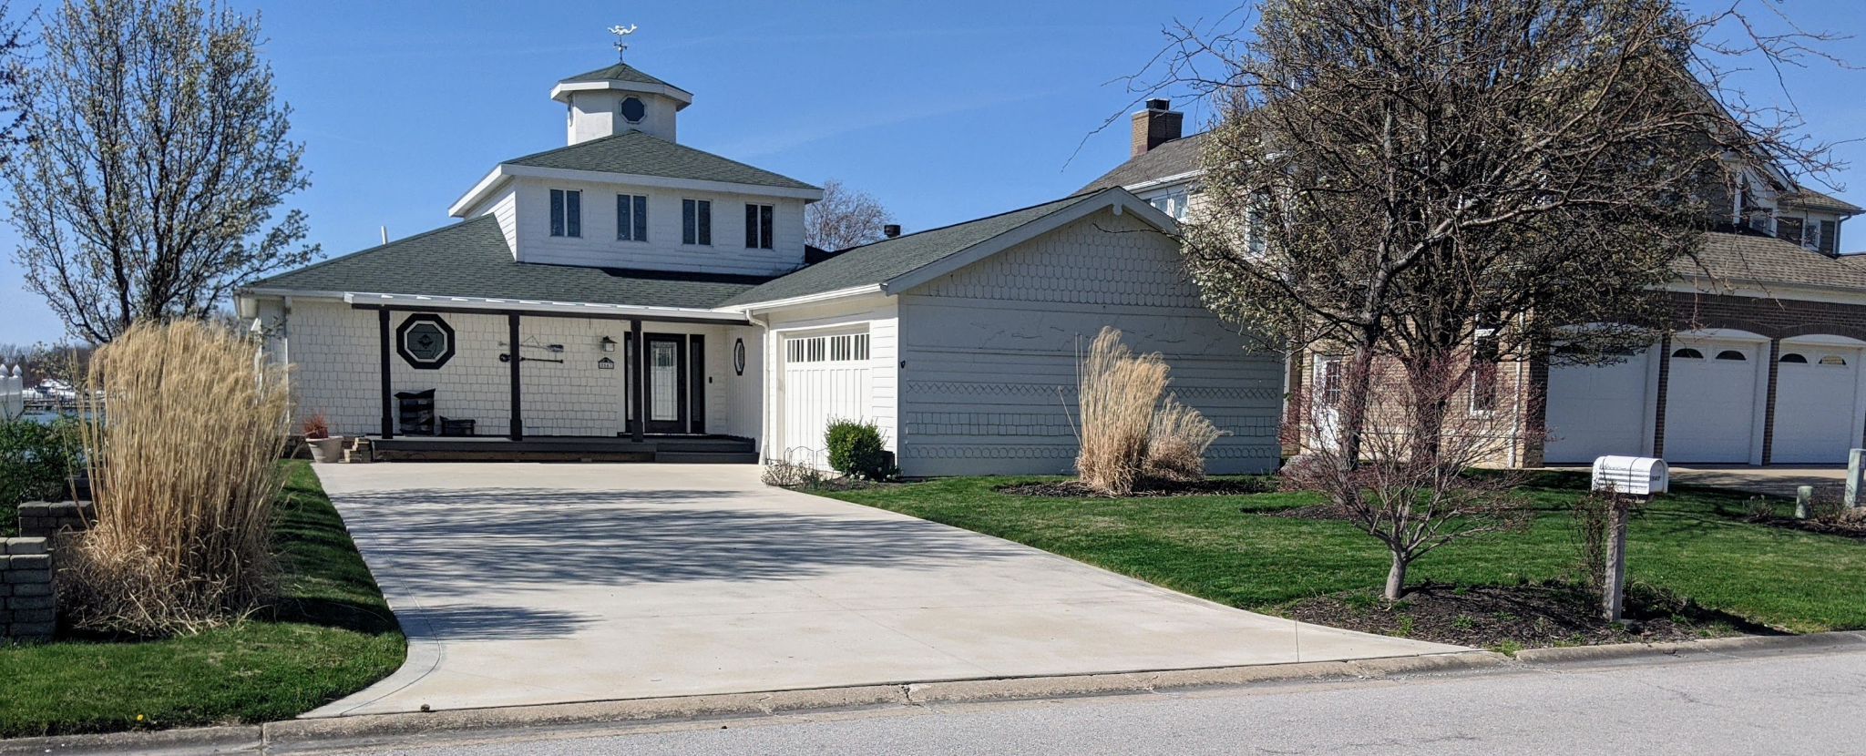
Lady Callia |  |  | 245 Royal Road, Kalgan |  |  | $35
Date | Day | Month | Charge | Height | Other | Pattern | Time | Days betw | Mower | Worker
2025-04-11 | Fri | April | $35 | 2.5" |  | North South | 17 |  | Monty | Morgan
2025-04-18 | Fri | April | $35 | 2.5" |  | East West | 16 | 7 | Monty | Morgan
2025-04-24 | Thu | April | $35 | 2.5" |  | North South | 18 | 6 | Monty | Morgan
2025-05-01 | Thu | May | $35 | 2.5" |  | East West | 19 | 7 | Monty | Morgan
2025-05-11 | Sun | May | $35 | 2.5" |  | NE-SW | 24 | 10 | Monty | Morgan
2025-05-16 | Fri | May | $35 | 2.5" |  | North South | 24 | 5 | Monty | Morgan
2025-05-22 | Thu | May | $35 | 2.5" |  | East West | 23 | 6 | Monty | Morgan
2025-05-29 | Thu | May | $35 | 2.5" |  | NW-SE | 26 | 7 | Kelly | Morgan
2025-06-04 | Wed | June | $35 | 2.5" |  | North South | 25 | 6 | Kelly | Morgan
2025-06-12 | Thu | June | $35 | 2.5" |  | East West | 30 | 8 | Kelly | Morgan
2025-06-19 | Thu | June | $35 | 2.5" |  | North South | 28 | 7 | Pearl | Morgan
2025-06-26 | Thu | June | $35 | 2.5" |  | NW-SE | 20 | 7 | Kelly | Morgan
2025-07-03 | Thu | July | $35 | 2.5" |  | North South | 29 | 7 | Opie | Morgan
2025-07-09 | Wed | July | $35 | 2.5" |  | East West | 22 | 6 | Opie | Morgan
2025-07-17 | Thu | July | $35 | 2.5" |  | NE-SW | 27 | 8 | Opie | Morgan
2025-07-23 | Wed | July | $35 | 2.5" |  | North South | 22 | 6 | Kelly | Morgan
2025-07-30 | Wed | July | $35 | 2.5" |  | East West | 21 | 7 | Kelly | Morgan
2025-08-07 | Thu | August | $35 | 2.5" |  | NW-SE | 22 | 8 | Kelly | Morgan
2025-08-14 | Thu | August | $35 | 2.5" |  | North South | 22 | 7 | Kelly | Morgan
2025-08-21 | Thu | August | $35 | 2.5" |  | East West | 25 | 7 | Kelly | Morgan

 |  |  |  |  |  |  |  |  |  |  |  | Monty | Opie | Pearl | Kelly
 |  |  |  |  |  |  |  |  |  |  |  | 7 | 3 | 1 | 9

 |  |  |  |  |  |  |  |  |  |  |  | Morgan | Bill
 |  |  |  |  |  |  |  |  |  |  |  | 20 | 0

 |  |  |  |  |  |  | Total | Total | Hourly | Month | March | April | May | June | July | August | September | October | November | December | Totals
How many |  |  | Charged |  |  |  | Minutes | Hours | Wage | Fees | $0 | $105 | $175 | $140 | $175 | $105 | $0 | $0 | $0 | $0 | $700
20 |  |  | $700 |  |  |  | 460 | 7.67 | $91 | Tax | $0.00 | $7.35 | $12.25 | $9.80 | $12.25 | $7.35 | $0.00 | $0.00 | $0.00 | $0.00 | $49.00
 |  |  |  |  |  |  |  |  |  | Total | $0.00 | $112.35 | $187.25 | $149.80 | $187.25 | $112.35 | $0.00 | $0.00 | $0.00 | $0.00 | $749.00
 |  |  |  |  |  |  |  |  |  | Number | 0 | 3 | 5 | 4 | 5 | 3 | 0 | 0 | 0 | 0 | 20

12) Munn
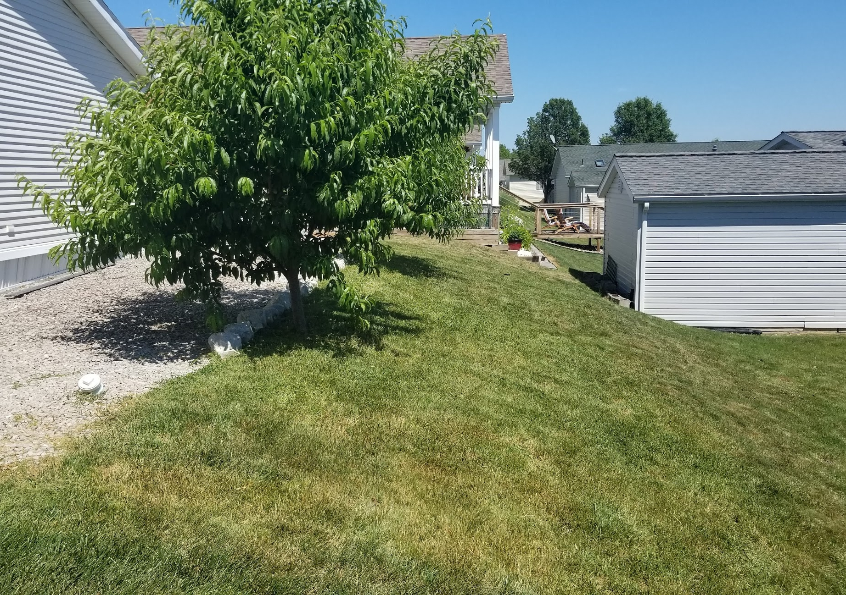
Homir Munn |  |  | 5560 Maple,Terminus City 41234 |  |  | $25
Date | Day | Month | Charge | Height | Other | Pattern | Time | Days betw | Mower | Worker
2025-04-03 | Thu | April | $25 | 2.5" |  | East West | 7 |  | Opie | Morgan
2025-04-11 | Fri | April | $25 | 2.5" |  | East West | 9 | 8 | Monty | Morgan
2025-04-18 | Fri | April | $25 | 2.5" |  | East West | 7 | 7 | Monty | Morgan
2025-04-24 | Thu | April | $25 | 2.5" |  | East West | 9 | 6 | Monty | Morgan
2025-05-01 | Thu | May | $25 | 2.5" |  | East West | 8 | 7 | Monty | Morgan
2025-05-07 | Wed | May | $25 | 2.5" |  | East West | 9 | 6 | Monty | Morgan
2025-05-14 | Wed | May | $25 | 2.5" |  | East West | 8 | 7 | Pearl | Morgan
2025-05-20 | Tue | May | $25 | 2.5" |  | East West | 8 | 6 | Pearl | Morgan
2025-05-27 | Tue | May | $25 | 2.5" |  | East West | 9 | 7 | Pearl | Morgan
2025-06-04 | Wed | June | $25 | 2.5" |  | East West | 9 | 8 | Opie | Morgan
2025-06-12 | Thu | June | $25 | 2.5" |  | East West | 9 | 8 | Opie | Morgan
2025-06-19 | Thu | June | $25 | 2.5" |  | East West | 7 | 7 | Opie | Morgan
2025-06-27 | Fri | June | $25 | 2.5" |  | East West | 9 | 8 | Monty | Morgan
2025-07-03 | Thu | July | $25 | 2.5" |  | East West | 7 | 6 | Opie | Morgan
2025-07-09 | Wed | July | $25 | 2.5" |  | East West | 9 | 6 | Opie | Morgan
2025-07-17 | Thu | July | $25 | 2.5" |  | East West | 7 | 8 | Opie | Morgan
2025-07-23 | Wed | July | $25 | 2.5" |  | East West | 8 | 6 | Kelly | Morgan
2025-07-30 | Wed | July | $25 | 2.5" |  | East West | 9 | 7 | Kelly | Morgan
2025-08-07 | Thu | August | $25 | 2.5" |  | East West | 7 | 8 | Monty | Morgan
2025-08-13 | Wed | August | $25 | 2.5" |  | East West | 7 | 6 | Pearl | Morgan
2025-08-21 | Thu | August | $25 | 2.5" |  | East West | 8 | 8 | Pearl | Bill
2025-08-27 | Wed | August | $25 | 2.5" |  | East West | 8 | 6 | Pearl | Bill |  | Monty | Opie | Pearl | Kelly
2025-09-03 | Wed | September | $25 | 2.5" |  | East West | 9 | 7 | Pearl | Bill |  | 7 | 7 | 9 | 2
2025-09-11 | Thu | September | $25 | 2.5" |  | East West | 9 | 8 | Pearl | Bill
2025-09-18 | Thu | September | $25 | 2.5" |  | East West | 7 | 7 | Pearl | Bill |  | Morgan | Bill
 |  |  |  |  |  |  |  |  |  |  |  | 20 | 5

 |  |  |  |  |  |  | Total | Total | Hourly | Month | March | April | May | June | July | August | September | October | November | December | Totals
How many |  |  | Charged |  |  |  | Minutes | Hours | Wage | Fees | $0 | $100 | $125 | $100 | $125 | $100 | $75 | $0 | $0 | $0 | $625
25 |  |  | $625 |  |  |  | 203 | 3.38 | $185 | Tax | $0.00 | $7.00 | $8.75 | $7.00 | $8.75 | $7.00 | $5.25 | $0.00 | $0.00 | $0.00 | $43.75
 |  |  |  |  |  |  |  |  |  | Total | $0.00 | $107.00 | $133.75 | $107.00 | $133.75 | $107.00 | $80.25 | $0.00 | $0.00 | $0.00 | $668.75
 |  |  |  |  |  |  |  |  |  | Number | 0 | 4 | 5 | 4 | 5 | 4 | 3 | 0 | 0 | 0 | 25

